Assy BOM
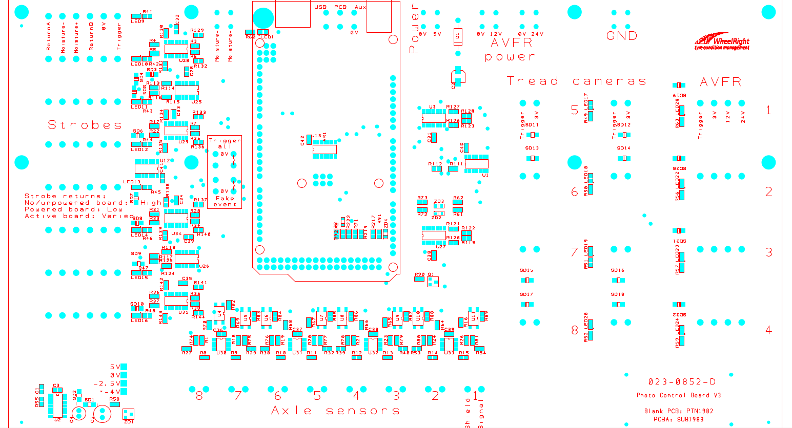
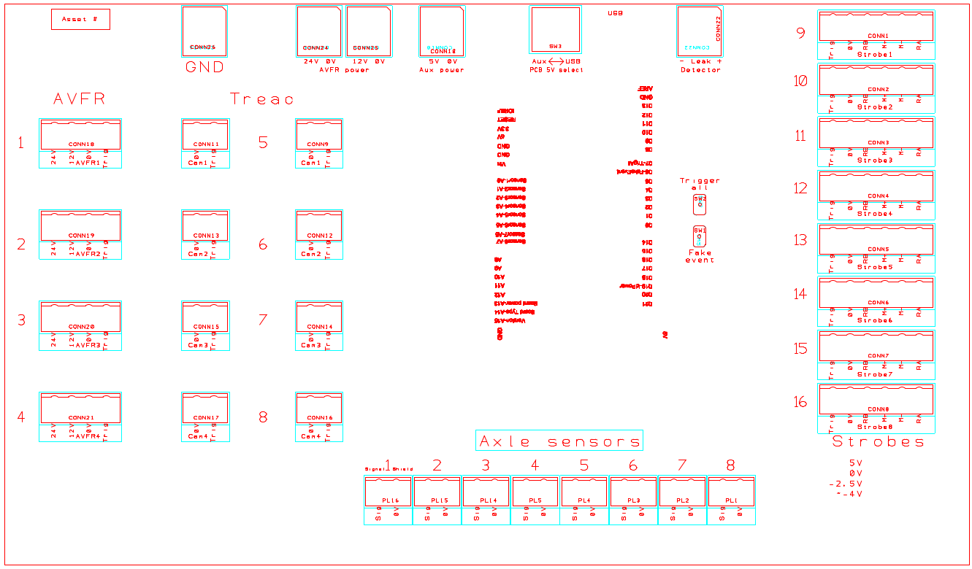
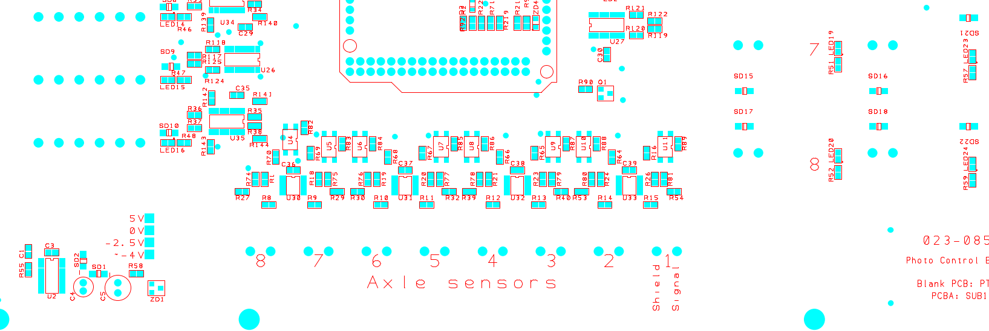
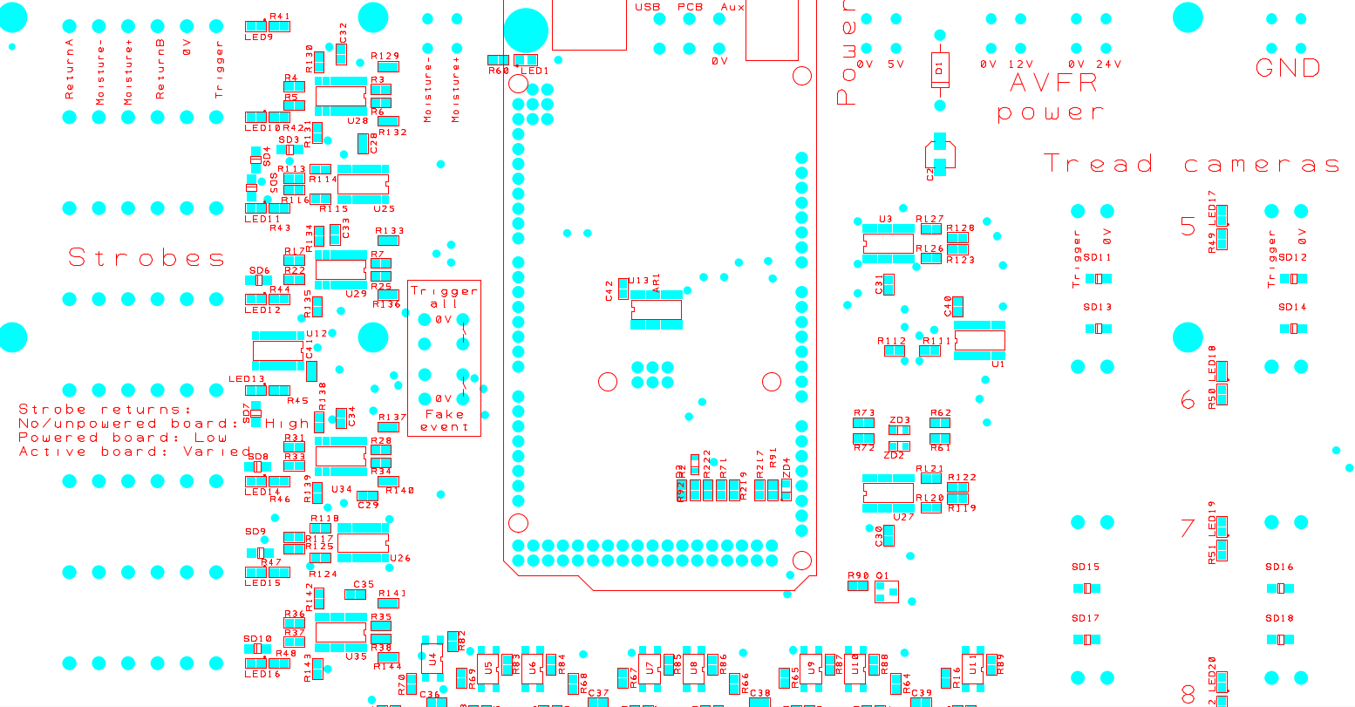
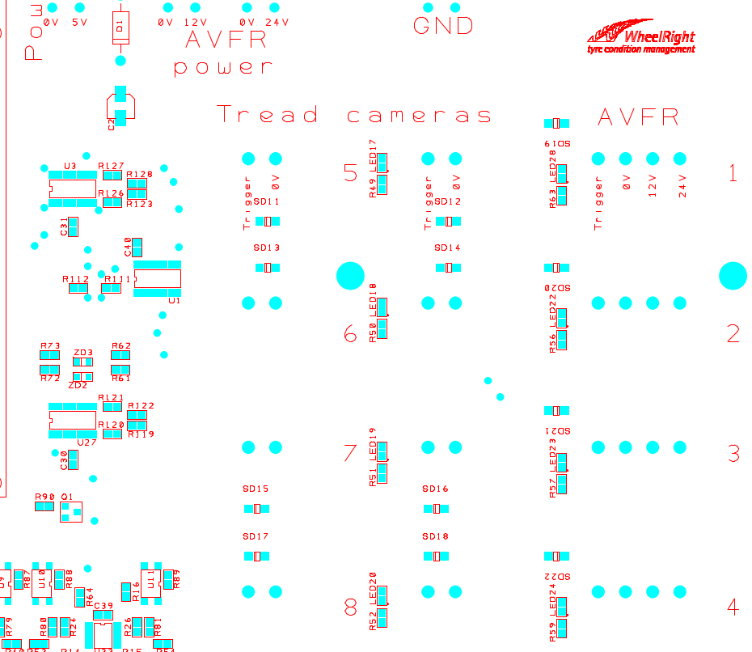
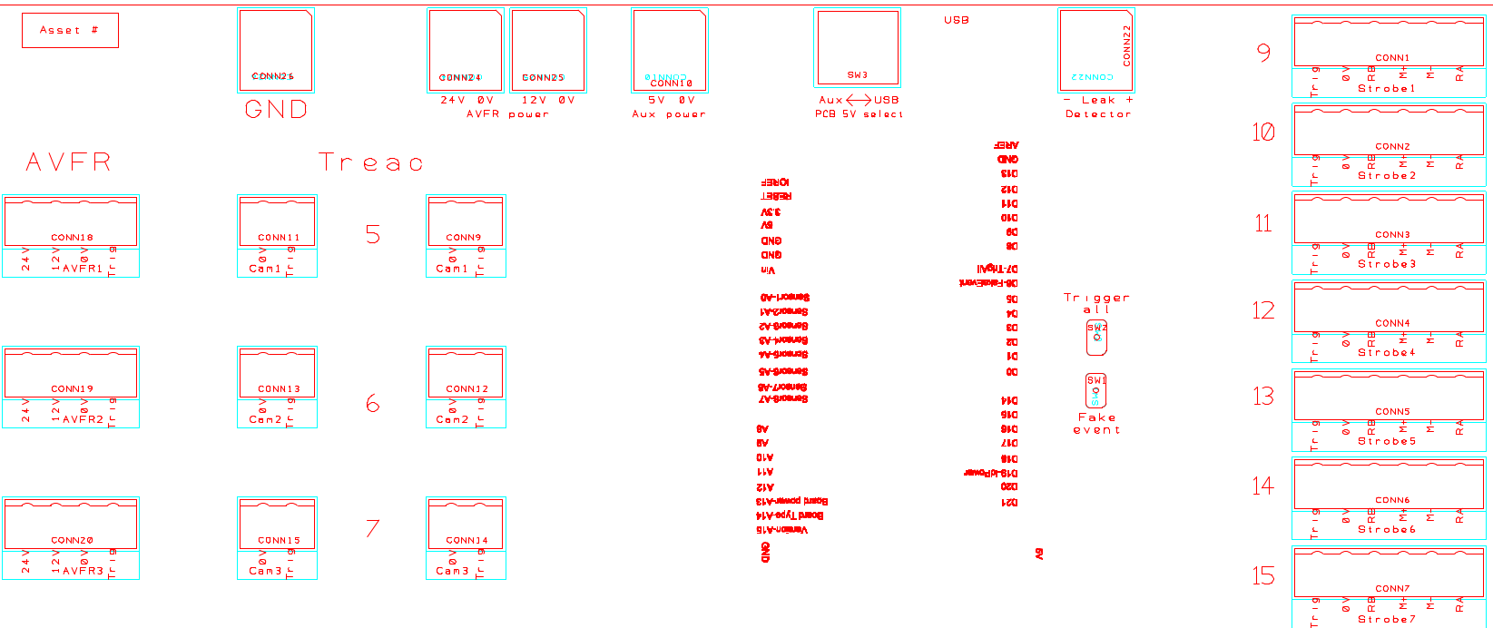
BOM FOR ASSEMBLY |  |  |  |  |  |  |  |  | Referral: | 0 |  |  |  |  |  |  |  |  |  |  | NA,0
 |  |  |  |  |  | "POU LEGEND" "Not Installed (DNI)" "Top & Back(SMT)" "HAND Place (HP)" "SLIDE & WAVE (PTH)" "Hand Solder (HS)" "Final Assembly (FA)" "Pack" "Cable Assm (CA)" |  |  |  |  |  | Notes for Purchasing |  |  |  |  |  | Total Components: | Components |  | Read_Desc_DB,1
Job #: | 8813L-4DA | Cust | Wheelright |  |  |  |  |  |  |  |  |  |  |  |  |  |  | SMT: | 0 |  | Write_Desc_DB, 2
Job Rev: | B | Cust P/N | 023-0852 |  |  |  |  |  |  |  |  |  |  |  |  |  |  | PTH: | 0 |  | Read_POU_DB, 3
Last Rev: | 2026-04-03 | Cust Rev: | D |  |  |  |  |  |  |  |  |  |  |  |  |  |  | Cable Assembly: | 0 |  | Write_POU_DB, 4
 |  |  |  |  |  |  |  |  |  |  |  |  |  |  |  |  |  | Final Assembly: | 0 |  | Read_JOB_Note_DB, 5
Notes: | Part Supply:ACI <Lead Free/Water Soluble> |  |  |  |  |  |  |  |  |  |  | PER ASSY COST TO PURCHASE |  |  | 0.000 |  |  | TOTAL | 0 |  | Write_JOB_Note_DB, 6
 |  |  |  |  |  |  |  |  |  |  |  | TOTAL PURCHASE COST |  |  | 0.000 |  |  |  |  |  | Read_MPN_NOTE_DB, 7
 |  |  |  |  |  |  |  | Build Qty |  |  |  |  |  |  |  |  |  |  |  |  | Write_MPN_NOTE_DB, 8
Line | DESC | MAN | MPN | ACI PN | QTY | POU | LOC | 18 | STK | ORD | ORDD | PAID | DIST | PO | DUE | REC | NOTES | purchasing notes | vendor p/n | cust p/n
5 | OP AMP DUAL 4.5-36V SOIC8 | Texas Instruments | OPA1652AIDR | 8813L-4DA-5 | 4 | SMT | U30, U31, U32, U33 | 1.530 |  | 75
10 | OP AMP QUAD 3-16V SOIC14 | STMicroelectronics | TS274CDT | 8813L-4DA-10 | 8 | SMT | U3, U25, U26, U27, U28, U29, U34, U35 | 0.692 |  | 149
15 | OPTOCOUPLER SOIC4 | On Semiconductor | FOD814ASD | 8813L-4DA-15 | 8 | SMT | U4, U5, U6, U7, U8, U9, U10, U11 | 0.389 |  | 159
20 | OR 4 INPUT 2 GATES 3-18V SOIC14 | Texas Instruments | CD4072BM96 | 8813L-4DA-20 | 3 | SMT | U1, U12, U13 | 0.269 |  | 65
25 | SCHMITT TRIGGER INVERTER SOIC14 | Nexperia | 74HC14D,653 | 8813L-4DA-25 | 1 | SMT | U2 | 0.214 |  | 22
30 | CAP 0603 0.1U 16V | Multicomp | MCB0603R104KCT | 8813L-4DA-30 | 12 | SMT | C3, C28, C29, C30, C31, C32, C33, C34, C35, C40, C41, C42 | 0.056 |  | 260
35 | CAP 0603 0.1U 50V | TDK | C1608X7R1H104K080AE | 8813L-4DA-35 | 4 | SMT | C36, C37, C38, C39 | 0.070 |  | 87
40 | CAP 0603 0.01U 16V | Multicomp | MC0603B103K500CT | 8813L-4DA-40 | 1 | SMT | C1 | 0.035 |  | 118
45 | CAP SMT 4X5.4 10UF 25V | Multicomp | MCVVT025M100CA1L | 8813L-4DA-45 | 1 | SMT | C2 | 0.073 |  | 22
50 | CAP TH ELEC 10UF 63V | Panasonic | EEU-EB1J100S | 8813L-4DA-50 | 1 | TH | C4 | 0.188 |  | 22
55 | CAP TH ELEC 100UF 25V 6.3MM | Multicomp | MCRH25V107M6.3X11 | 8813L-4DA-55 | 1 | TH | C5 | 0.168 |  | 22
60 | DIODE 100V 2A DO-204AC | Multicomp | HER202G | 8813L-4DA-60 | 1 | TH | D1 | 0.422 |  | 22
65 | ZENER DIODE SOD323 3.6V | ON Semiconductor | MM3Z3V6T1G | 8813L-4DA-65 | 1 | SMT | D2 | 0.061 |  | 22
70 | RES 0603 0R | Multicomp | MCWR06X000PTL | 8813L-4DA-70 | 32 | SMT | R113, R114, R115, R116, R117, R118, R119, R120, R121, R122, R123, R124, R125, R126, R127, R128, R129, R130, R131, R132, R133, R134, R135, R136, R137, R138, R139, R140, R141, R142, R143, R144 | 0.013 |  | 676
75 | RES 0603 1K | Yageo | RC0603JR-071KL | 8813L-4DA-75 | 6 | SMT | R72, R73, R91, R92, R111, R112 | 0.008 |  | 208
80 | RES 0603 1.1M | Vishay | CRCW06031M10FKEA | 8813L-4DA-80 | 8 | SMT | R8, R9, R10, R11, R12, R13, R14, R15 | 0.019 |  | 244
85 | RES 0603 1.3K | Panasonic | ERJ3EKF1301V | 8813L-4DA-85 | 1 | SMT | R58 | 0.021 |  | 118
90 | RES 0603 2K | Multicomp | MCWR06X2001FTL | 8813L-4DA-90 | 1 | SMT | R219 | 0.016 |  | 118
95 | RES 0603 5.6K | Yageo | RC0603FR-075K6L | 8813L-4DA-95 | 1 | SMT | R55 | 0.009 |  | 118
100 | RES 0603 8.25K | Multicomp | MCWR06W8251FTL | 8813L-4DA-100 | 3 | SMT | R61, R62, R217 | 0.014 |  | 154
100 | ZSUB FOR ABOVE | Bourns | CR0603-FX-8251ELF | 8813L-4DA-100 | 3 | SMT | R61, R62, R217 | 0.014 |  | 154
105 | RES 0603 10K | Multicomp | MCWR06X1002FTL | 8813L-4DA-105 | 41 | SMT | R3, R4, R5, R6, R7, R16, R17, R22, R25, R28, R31, R33, R34, R35, R36, R37, R38, R41, R42, R43, R44, R45, R46, R47, R48, R49, R50, R51, R52, R56, R57, R59, R63, R64, R65, R66, R67, R68, R69, R70, R71 | 0.013 |  | 838
110 | RES 0603 18K | Vishay | CRCW060318K0FKEA | 8813L-4DA-110 | 17 | SMT | R1, R2, R18, R19, R20, R21, R23, R24, R26, R27, R29, R30, R32, R39, R40, R53, R54 | 0.009 |  | 406
115 | RES 0603 36K | Multicomp | MCSR06X3602FTL | 8813L-4DA-115 | 8 | SMT | R74, R75, R76, R77, R78, R79, R80, R81 | 0.017 |  | 244
120 | RES 0603 150R | Multicomp | MCWR06X1500FTL | 8813L-4DA-120 | 1 | SMT | R60 | 0.016 |  | 118
125 | RES 0603 174K | Panasonic | ERJ3EKF1743V | 8813L-4DA-125 | 1 | SMT | R222 | 0.021 |  | 118
130 | RES 0603 249R | Vishay | CRCW0603249RFKEA | 8813L-4DA-130 | 9 | SMT | R82, R83, R84, R85, R86, R87, R88, R89, R90 | 0.009 |  | 262
135 | BJT NPN SOT-23 | Infineon | SMBTA42 | 8813L-4DA-135 | 1 | SMT | Q1 | 0.189 |  | 22
135 | Z SUB FOR ABOVE | Infineon | SMBTA42E6327HTSA1 | 8813L-4DA-135 | 1 | SMT | Q1 | 0.189
140 | ARDUINOMEGA2560 FLIPPED | Multicomp | 2211S-08G | 8813L-4DA-140 | 1 | TH | AR1 | 0.124 |  | 22
145 | LED, GREEN, SMD {NO WASH} | Multicomp | MCLS270GC | 8813L-4DA-145 | 1 | HS | LED1 | 0.223 |  | 22
150 | LED, RED, 0603 {NO WASH} | Osram | LSQ976-Z | 8813L-4DA-150 | 16 | HS | LED9, LED10, LED11, LED12, LED13, LED14, LED15, LED16, LED17, LED18, LED19, LED20, LED22, LED23, LED24, LED28 | 0.094 |  | 313
155 | SCHOTTKY DIODE 340MV SOD-123FL | On Semiconductor | MBR120VLSFT3G | 8813L-4DA-155 | 2 | SMT | SD1, SD2 | 0.426 |  | 44
160 | ZENER DIODE SOD323FL 4.7V | Rohm | UDZVFHTE-174.7B | 8813L-4DA-160 | 3 | SMT | ZD2, ZD3, ZD4 | 0.146 |  | 65
165 | ZENER DIODE SOT23 2.5V 225MW | ON Semiconductor | MMBZ5222BLT1G | 8813L-4DA-165 | 1 | SMT | ZD1 | 0.085 |  | 22
170 | CONN 5MM PITCH 2 WAY WAGO | Wago | 236-402 | 8813L-4DA-170 | 5 | TH | CONN10, CONN22, CONN24, CONN25, CONN26 | 1.465 |  | 93
175 | TERMINAL BLOCK HEADER, 2W, 5MM | Wago | 231-132/001-000 | 8813L-4DA-175 | 16 | TH | CONN9, CONN11, CONN12, CONN13, CONN14, CONN15, CONN16, CONN17, PL1, PL2, PL3, PL4, PL5, PL14, PL15, PL16 | 0.828 |  | 293
180 | TERMINAL BLOCK HEADER, 4W, 5MM | Wago | 231-134/001-000 | 8813L-4DA-180 | 4 | TH | CONN18, CONN19, CONN20, CONN21 | 2.240 |  | 75
185 | TERMINAL BLOCK HEADER, 6W, 5MM | Wago | 231-136/001-000 | 8813L-4DA-185 | 8 | TH | CONN1, CONN2, CONN3, CONN4, CONN5, CONN6, CONN7, CONN8 | 2.860 |  | 145
190 | PUSHBUTTON | TE Connectivity | FSM2JAH | 8813L-4DA-190 | 2 | TH | SW1, SW2 | 0.144 |  | 44
195 | SWITCH 5.08MM PITCH DPDT{WASHABLE} | APEM | 25446NAH | 8813L-4DA-195 | 1 | TH | SW3 | 8.150 |  | 18
200 | Diode 40 V 1A Surface Mount SOD-123FL | On Semiconductor | MBR140SFT1G | 8813L-4DA-200 | 20 | SMT | SD3, SD4, SD5, SD6, SD7, SD8, SD9, SD10, SD11, SD12, SD13, SD14, SD15, SD16, SD17, SD18, SD19, SD20, SD21, SD22 | 0.430 |  | 375

